To-Do List
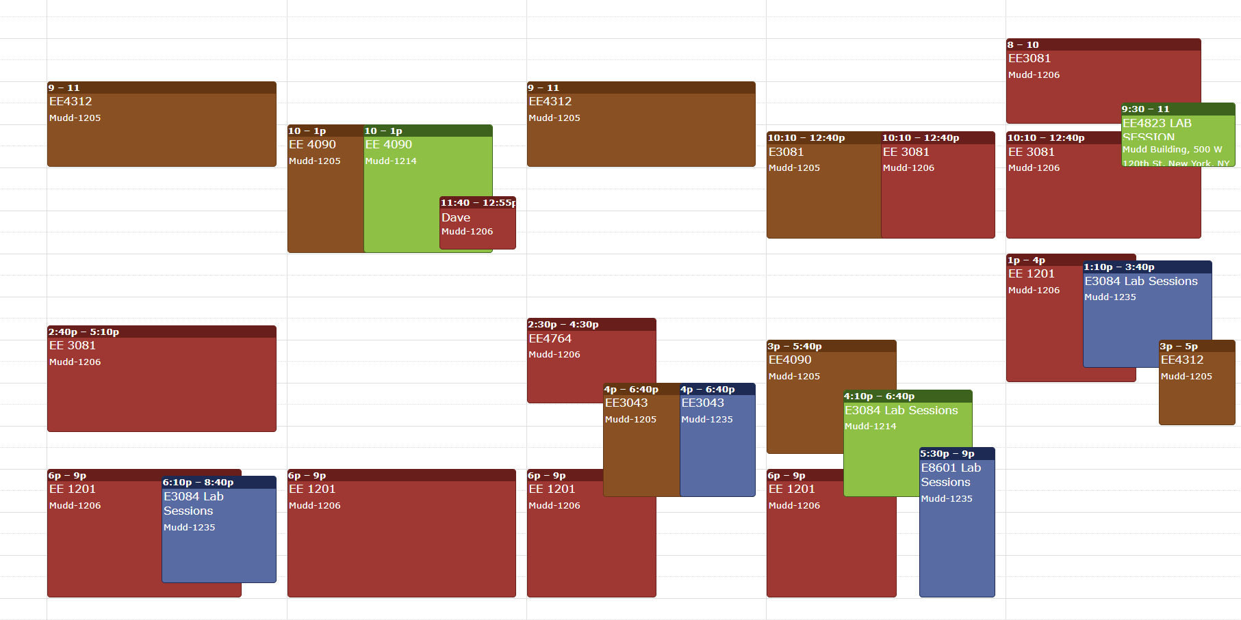
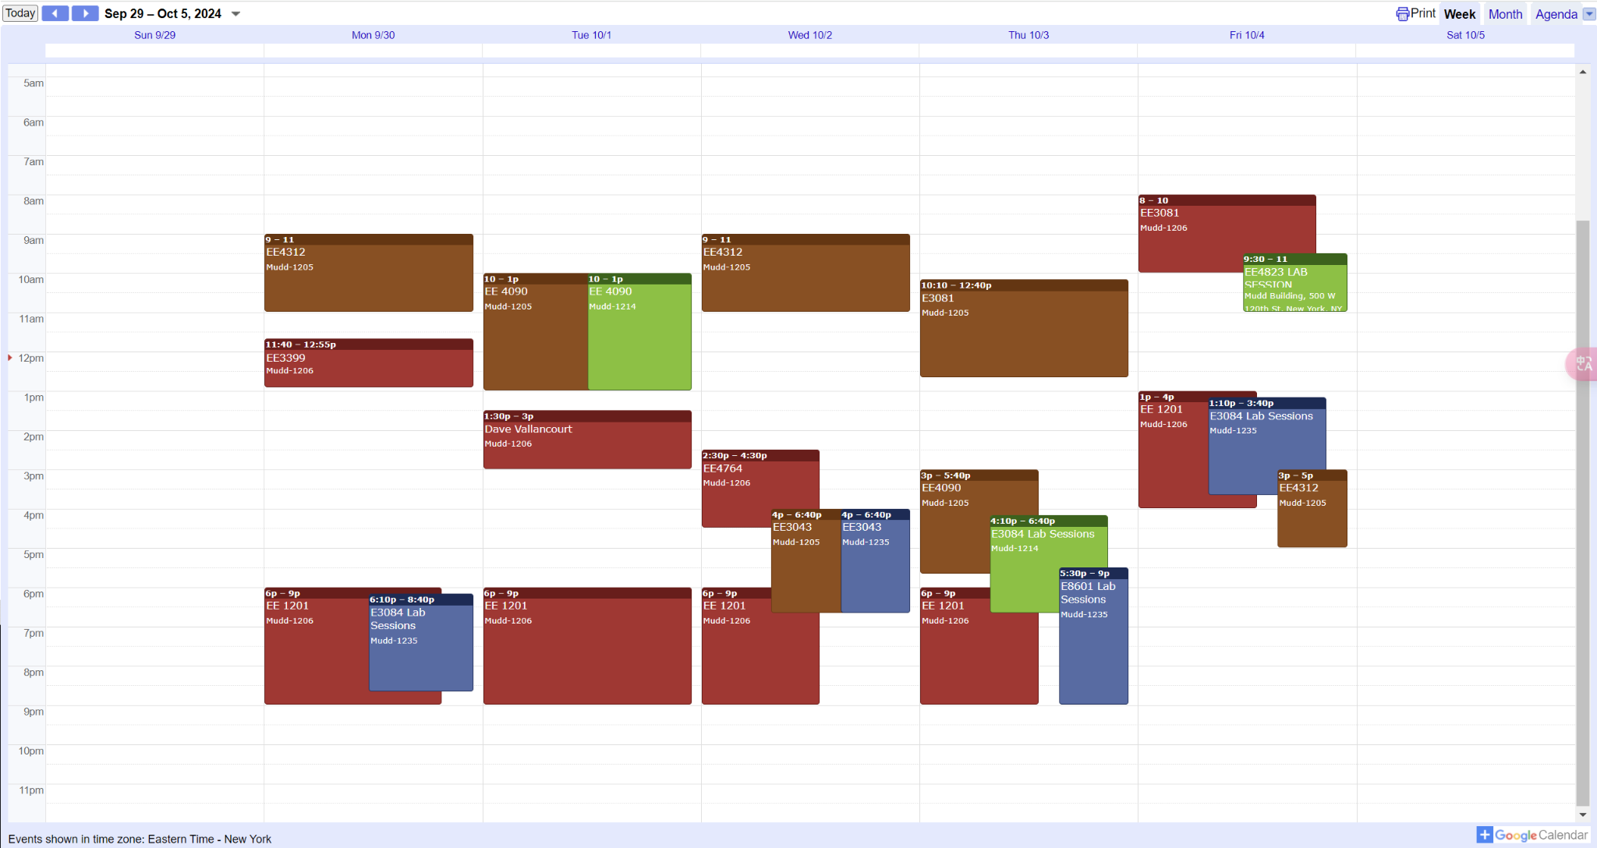
To-do List |  |  |  |  | Time Slots | Mon | Tue | Wed | Thurs | Fri
 | Amount | Ready? | Notes | Comments | 9:00am-11:00am | Lab1205, 4312 lab | Lab 1206 | Lab1205, 4312 lab | Lab 1206 | Lab 1205
ADALM2000 | 5 |  | We may need 5 more, Though we can use the oscilloscope and waveform generator in the lab now |  | 11:00am-1:00pm | 4312 Class | 4321 Class | 4312 Class | 4321 Class | Lab 1205
Schedule the room on Thursday (extra time) |  |  | Sent an e-mail to Richard to confirm |  | 1:30pm-3:30pm | 4312 Office Hour-PK |  |  |  | Lab 1205
Lab report requirement |  |  |  |  | 3:30pm-5:30pm | PMIC/DSP Class | Lab 1206 & 1205 |  | MMIC Class | Lab1205, 4312 lab
Lab report grading rubric |  |  |  |  | 7:00pm-9:00pm | Lab 1205 | Lab 1205 | Lab 1205 | Lab 1205 | Lab 1206 & 1205

MOSbius PCB soldering & desoldering |  |  | I can do it this weekends
 |  |  |  |  | Availability (Only Green is available)
 |  |  |  |  |  | 1205 or 1206
 |  |  |  |  |  | Not available
 |  |  |  |  |  | Other Courses
 |  |  |  |  |  | Not available due to Lab Schedule

